Guidance
2019 PROGRESS 8 SCHOOL LEVEL READY RECKONER GUIDANCE

This ready reckoner allows the user to see how value added scores are calculated for their school from individual pupil scores for Progress 8 and elements making up Progress 8.
For more information on calculating these scores for individual pupils, please see the pupil Progress 8 and Progress 8 elements ready reckoner.
Please note that all attainment estimates and calculations relate to 2019 only.
The following steps explain how to use the school level ready reckoner:

Step 1) | The first step is to go to the 'Data Input' sheet. There you can select the progress measure you wish to use in the ready reckoner by changing the drop down
 | box at the top of the sheet. The circled part of the screenshot below shows the drop down box to select from…

 | You can then enter the individual pupil VA scores for pupils in your school under the heading 'Pupil VA Scores (centred around zero)' in the 'Data Input' sheet
 | The screenshot below shows where to enter the pupil data in the 'Data Input' sheet
 | For further guidance on inputting individual pupil VA scores from the pupil level data file on the Checking website, see the tab 'Data Input Guidance'.

Enter individual pupil VA scores here
 |  | Enter individual pupil VA score here

Step 2) | The next step is to go to the 'School VA Calculation' sheet. This sheet provides information on how your school VA score has been calculated from
 | individual pupil VA scores. For more information on the calculation of school VA scores, please see the guidance at the following link:
 | Progress 8 and Attainment 8 guidance

Step 3) | The final step is to go to the 'Interpreting the score' sheet. This sheet provides information on how to interpret your school's VA score and the associated
 | confidence intervals.

 | The guidance at the link above provides further detail on the calculation of confidence intervals and how to interpret them.

Note: | The ready reckoner only provides correct calculations for pupils reaching the end of key stage 4 in 2019.

 |  |  | To Data Input Guidance sheet ---> | To Data Input sheet --->

Data Input Guidance
DATA INPUT GUIDANCE - USING THE CHECKING EXERCISE WEBSITE

The following guidance is designed to help users import individual pupil VA scores from the Checking website.

The first step is to visit the school Checking Site at | https://tableschecking.education.gov.uk/
Select the link '2019 Key Stage 4 and 16 to 18 Performance Tables Checking Website' and log in to your school’s account (you will need your username and password):
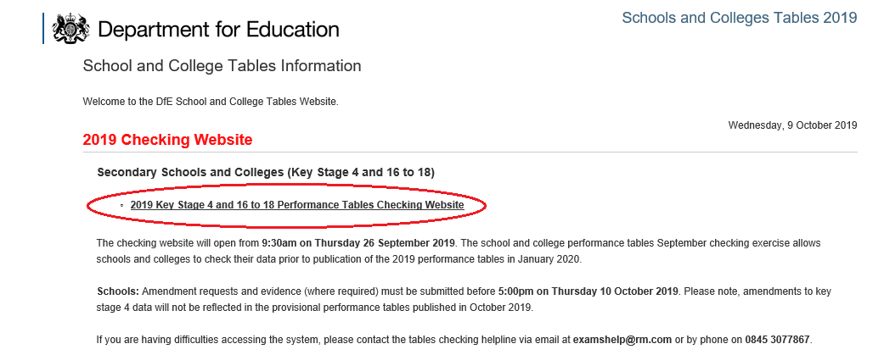

Once logged in to your school account, select the ‘Guidance/Documents’ tab and select the ‘Key stage 4 pupil level’ file.
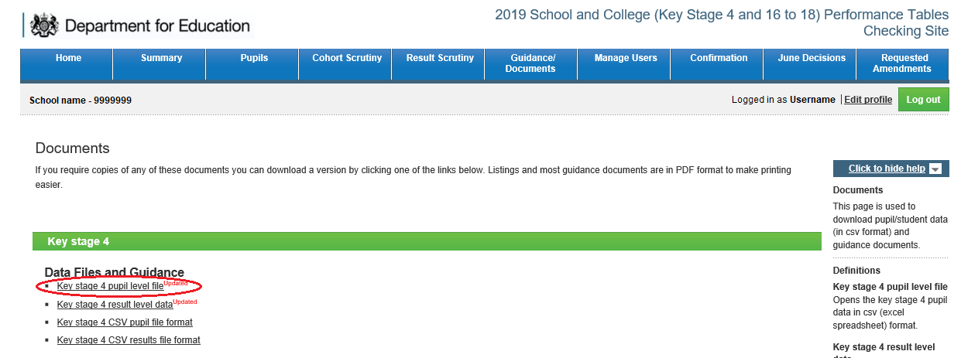

Pupil Progress 8 scores can be found in column BI. Pupil VA scores for the English, maths, EBacc, and open elements of Progress 8 can be found in columns BJ, BK, BM, and BO respectively
Copy and paste all of the VA scores for pupils in your school into the Data Input tab of this file

 |  | Once you have copied your pupils' VA scores from the Excel file, right click here and select paste

To Data Input sheet --->

Interpreting the score
INTERPRETING CONFIDENCE INTERVALS AROUND A SCHOOL VA SCORE |  |  |  |  |  | Progress Measure: | #VALUE!
 |  |  |  |  |  | --Select-- | #VALUE!
To judge a school’s effectiveness, both the school VA score and its associated confidence interval need to be
taken into account. This sheet explains how to interpret a confidence interval around a school VA score. |  |  |  |  |  |  | #VALUE!
The chart below shows the size of the Progress 8 confidence interval for your school
The width of the confidence interval is determined by both the national standard deviation in the progress measure in question and the number of pupils in the school in the VA calculation. Smaller schools have wider confidence intervals because their VA score is based on a smaller number of pupils, so there is less evidence on which to judge the school’s effectiveness.
Step 1 - Calculate the confidence interval around the school Progress 8 score
 |  |  |  |  |  |  | Your School's Progress 8 Score is Significantly Above National Average
 |  |  |  |  |  |  | Your School's Progress 8 Score is Significantly Below National Average
 |  |  |  |  |  |  | Your School's Progress 8 Score is Not Significantly Different From National Average
 |  |  |  | Upper confidence limit =

School Progress 8 Score = |  | Confidence interval = |  | -

- | +/- | -
 |  |  |  | Lower confidence limit =
Number of pupils in the Progress 8 calculation for your school = |  |  |  | -
 |  | 0

The chart below shows the progress 8 Score and confidence interval for your school
Step 2 - Interpreting the Confidence Interval around the School Progress 8 Score

If the whole range of the confidence interval is above the National Average line, we can say the school score is significantly above the national average, and we can be confident the school is helping its pupils make better than average progress.
Similarly, when the entire range of the confidence interval is below the National Average line, we can say the school score is significantly below the national average.
Finally, if the confidence interval straddles the National Average line, then we can say that the school is not significantly different from the national average, in other words, we cannot confidently say that the school's Progress 8 score is definitely above or definitely below the national average.

-

Subject | Progress 8 | English element | Maths element | EBacc element | Open element
Standard deviation | 1.3076 | 1.5461 | 1.3656 | 1.5265 | 1.5118

 |  |  |  |  |  | Back to School VA Calculation sheet <---

 |  |  |  |  |  | Back to Ready Reckoner Guidance <---

